Sheet1
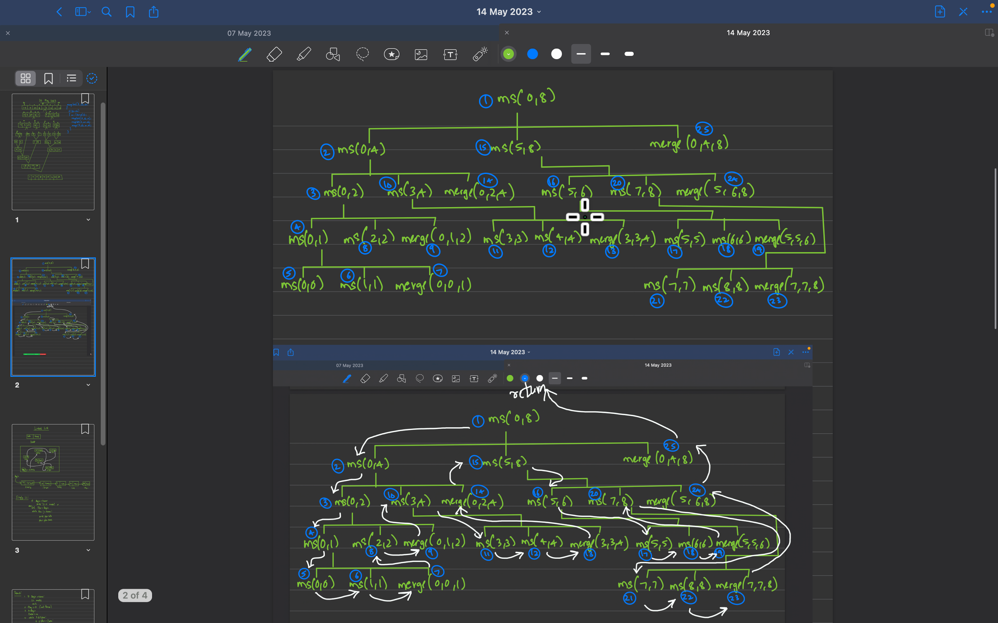
0 | 1 | 2 | 3 | 4 | 5 | 6 | 7
i | i | i | i | i | i |  |  |  |  |  |  |  |  |  | Len
1 | 3 | 5 | 8 | 9 |  |  |  |  |  |  |  |  |  | A | 5
j | j | j | j | j | j | j | j | j
2 | 4 | 6 | 7 | 10 | 11 | 12 | 15 |  |  |  |  |  |  | B | 8
k | k | k | k | k | k | k | k | k | k | k | k | k | k
1 | 2 | 3 | 4 | 5 | 6 | 7 | 8 | 9 | 10 | 11 | 12 | 15 |  | C | 13

